Sheet1
terms | % = (n/N) | tf |  |  | idf = log10(N/n) | W(i,j) |  |  | W'(i,j) |  |  | Q | Q-idf | Q'-idf | Q^2-idf | Q'^2-idf | W^2(i,j) |  |  | W'^2(i,j)
 |  | d1 | d2 | d3 |  | d1 | d2 | d3 | d1 | d2 | d3 |  |  |  |  |  | d1 | d2 | d3 | d1 | d2 | d3
computer | 10 | 1 |  |  | 1.00 | 1.00 | - | - | 0.45 | - | - | 1.00 | 1.00 | 0.45 | 1.00 | 0.20 | 1.00 | - | - | 0.20 | - | -
software | 10 | 1 | 3 | 1 | 1.00 | 1.00 | 3.00 | 1.00 | 0.45 | 0.76 | 0.42 | 1.00 | 1.00 | 0.45 | 1.00 | 0.20 | 1.00 | 9.00 | 1.00 | 0.20 | 0.57 | 0.18
bugs | 5 |  | 2 | 1 | 1.30 | - | 2.60 | 1.30 | - | 0.66 | 0.55 | - | - | - | - | - | - | 6.77 | 1.69 | - | 0.43 | 0.30
code | 2 |  |  | 1 | 1.70 | - | - | 1.70 | - | - | 0.72 | - | - | - | - | - | - | - | 2.89 | - | - | 0.52
developer | 2 |  |  |  | 1.70 | - | - | - | - | - | - | - | - | - | - | - | - | - | - | - | - | -
programmers | 2 | 1 |  |  | 1.70 | 1.70 | - | - | 0.77 | - | - | 1.00 | 1.70 | 0.77 | 2.89 | 0.59 | 2.89 | - | - | 0.59 | - | -
 |  |  |  |  |  | 2.21 | 3.97 | 2.36 |  |  |  |  | 2.21 |  | 4.89 | 1.00 | 4.89 | 15.77 | 5.58 | 1.00 | 1.00 | 1.00

 |  |  |  |  |  |  |  |  |  |  |  |  |  |  |  | Cos Sim | 1.00 | 0.34 | 0.19 | 1.00 | 0.34 | 0.19
D1 = “programmers build computer software”
D2 = “most software has bugs, but good software has less bugs than bad software”
D3 = “some bugs can be found only by executing the software, not by examining the source code”
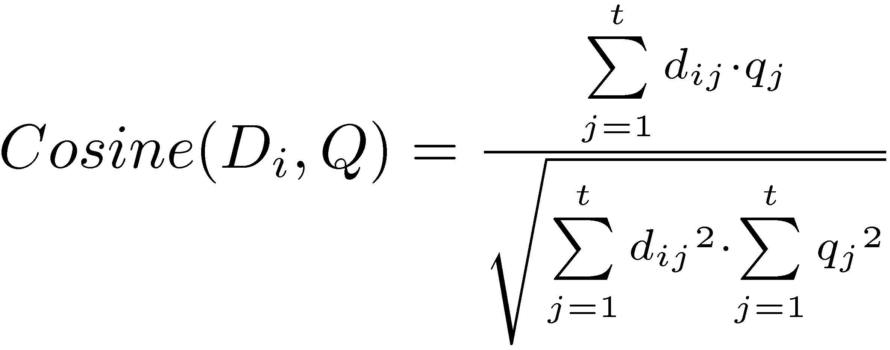

Q=“computer software programmers”

